Quote-Dell pro max

 |  |  |  | Dolphin Professional Services Limited,
 |  |  |  | Gate No.5, Mango Street,
 |  |  |  | Near Makumbusho Bus Terminal,
 |  |  |  | P.O. Box 31422,
 |  |  |  | Dar-Es-Salaam, Tanzania.
 |  |  |  | Telephone: +255 763 527 670
 |  |  |  | Email: sales@dpsl.africa
 |  |  |  | Website : www.dpsl.africa
 |  |  |  | TIN : 139-505-301
 |  | PROFORMA INVOICE |  | VAT: 40-036725-X
Company: NBC |  |  |  | Date: 12th May 2026
Ref: DPSL/NBC/2026/05/12
 |  |  |  |  |  |  | Exchange rate | 2850
SN | PART NUMBER | DESCRIPTION | QTY | UNIT PRICE | TOTAL PRICE |  | Margin | 1.15 | UNIT PRICE | TOTAL PRICE
 |  |  |  |  |  |  | Vat | 18%

1 | MA16250 | Dell Pro Max 16 Premium (MA16250) XCTO Base [210-BRXX] | 1 | TSh14,481,437.10 | TSh14,481,437.10 |  |  |  | $4,418.44 | $4,418.44

 |  |  |  | SUBTOTAL | TSh14,481,437.10 |  |  |  | Subtotal | $4,418.44 | TSh12,592,554.00
 |  |  |  | VAT(18%) | TSh2,606,658.68 | GP | TSh1,888,883.10 | 15% | Vat(18%) | $795.32
 |  |  |  | TOTAL | TSh17,088,095.78 |  |  |  | Total | $5,213.76

QUOTE VALIDITY : 15 Days
DELIVERY TIMEFRAME: 4-6 Weeks
PAYMENT TERMS : 100% After Delivery
LPO Required for Order Confirmation

Sales Department
Dolphin Professional Services Limited

NBC QN-3400021283028.1
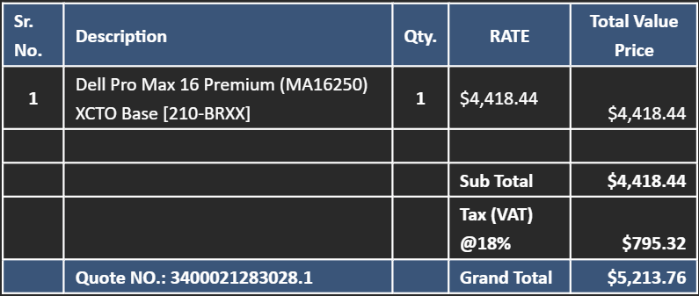

Sheet1
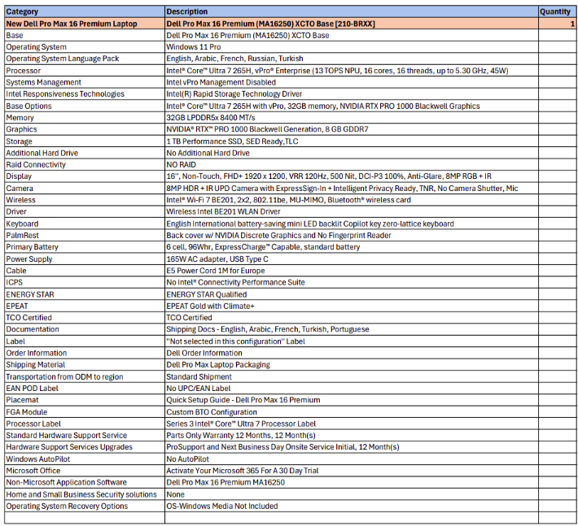

Sheet3
